Hárok1
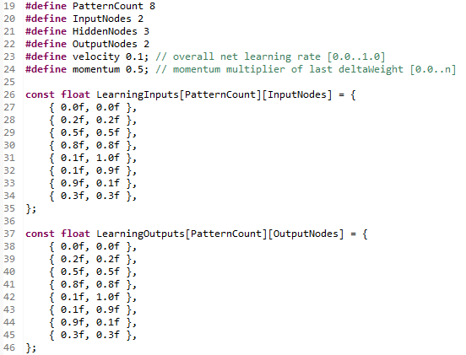
Input Neurons (Inputs) | Weithts of Neuron 1 | Product | Sum | Output = tanh(Sum) | Weithts of Neuron 4 | Product | Sum | Output Neurons = tanh(Sum)
0.468864471 | 1.4118979 | 0.66198876199 | -0.42179934583 | -0.39844520061 | 1.3752538 | -0.54796327623 | 0.52408043384 | 0.48084315788
0.501098871 | -0.356188595 | -0.17848570282 |  |  | 0.226741761 | 0.18952126748
 | -0.905302405 | -0.905302405 |  |  | 0.201040983 | -0.15109230741
 |  |  |  |  | 1.03361475 | 1.03361475
 | Weithts of Neuron 2
 | 0.565626562 | 0.26520219878 | 1.2072289149 | 0.83584632421
 | 0.405887574 | 0.20338980508 |  |  | Weithts of Neuron 5
 | 0.738636911 | 0.738636911 |  |  | -0.159878537 | 0.063702835749 | 0.5588997792 | 0.50716065809
 |  |  |  |  | 1.17008626 | 0.97801229943
 | Weithts of Neuron 3 |  |  |  | 1.90834558 | -1.434216709
 | -0.243490189 | -0.11416389866 | -0.97650688987 | -0.75154978428 | 0.951401353 | 0.951401353
 | 1.77138972 | 0.88764138879
 | -1.74998438 | -1.74998438

Bias Neuron |  |  |  | Bias Neuron |  |  |  | Bias Neuron (Unused)
1 |  |  |  | 1 |  |  |  | 1

 |  |  |  |  |  |  |  |  |  | First layer | Second layer | Total
 |  |  |  |  |  |  |  |  | 1.4118979 | 9 vah=(2+1)*3 | 8 vah=(3+1)*2 | 17
 |  |  |  |  |  |  |  |  | -0.356188595
 |  |  |  |  |  |  |  |  | -0.905302405
 |  |  |  |  |  |  |  |  | 0.565626562 | Input | Output
 |  |  |  |  |  |  |  |  | 0.405887574 | 0.468864471 | 0.480843157
 |  |  |  |  |  |  |  |  | 0.738636911 | 0.501098871 | 0.507160604
 |  |  |  |  |  |  |  |  | -0.243490189
 |  |  |  |  |  |  |  |  | 1.77138972
 |  |  |  |  |  |  |  |  | -1.74998438 |  |  | Topology
 |  |  |  |  |  |  |  |  | 1.3752538 |  |  | 2+3+2
 |  |  |  |  |  |  |  |  | 0.226741761
 |  |  |  |  |  |  |  |  | 0.201040983
 |  |  |  |  |  |  |  |  | 1.03361475
 |  |  |  |  |  |  |  |  | -0.159878537
 |  |  |  |  |  |  |  |  | 1.17008626
 |  |  |  |  |  |  |  |  | 1.90834558
 |  |  |  |  |  |  |  |  | 0.951401353

